Tasks
 | CATEGORY ANALYSIS:

1 | Get the total revenue at a category level |  |  |  |  |  | [ hint: sumx( sales, qty * related( price) )
2 | Get the total qty sold at a category level
3 | Get the total qty returned at a category level
4 | Get the return rate at a category level |  |  |  |  | [hint: qty. returned/ qty.sold]
5 | Identify which category, subcategory & product has the highest return rates
6 | Get the total returns and total qty returned
7 | Get the total orders and total qty of orders
8 | Get the number of bulk orders per category (orders where for any product more than 1 qty is sold) |  |  |  |  |  |  | [hint: use calculate()]
9 | Get the total orders placed on weekend & weekday at a category level
10 | Get the % of total orders at a category level
11 | Get the total high ticket orders at a category level (orders with price greater than overall avg)

 | PRODUCT ANALYSIS:

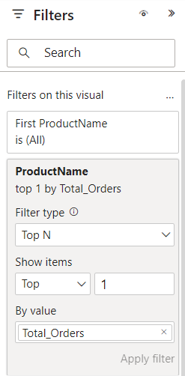
1 | Which is the most ordered product? [hint: show product name as a card]
 |  |  |  |  |  | [in formatting, try to switch of the category label in formatting]

2 | Calculate the following metric:
 |  | a. Get the total cost, Profit. [hint: cost = sumx(sales, qty * cost), profit = revenue - cost]
 |  | b. Month starting date. [hint: date( year(), month(), 1)
 |  | c. Week start date. |  |  | [hint: FORMAT( 'Calendar'[Date] - WEEKDAY('Calendar'[Date], 2) +1, "DD-MM-YYYY")]
 |  | d. Avg. retail price ( or avg. product price)
 |  | e. Find week num for returns table
 |  | f. Previous month orders [hint: CALCULATE([Total_Orders], DATEADD('Calendar'[Date], -1, MONTH) )]
 |  | g. Find the target orders. [hint: [Prev Month Orders] * 1.1]

3 | Which is most profitable product? [ hint: show as a card]
4 | Display the total orders from each country. [hint: use geo maps].
 | Also, make sure that when you hover on the coutry orders, it shows the category distribution as well. [ hint: custom tooltip]
5 | Show the Weekly Profit(i.e. Profit at the start of the week)
6 | Show the number of products returned per week
7 | Create a gauge chart that shpws the orders target & total orders for the latest month
 |  |  |  | [ hint: use month_start as filter and select latest month]
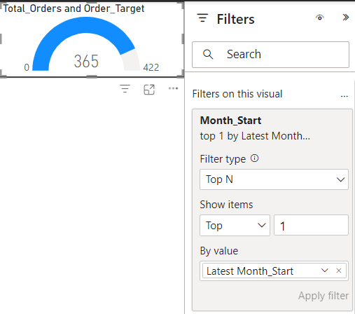

 | CUSTOMER ANALYSIS:

1 | Show total revenue & order count by each customer. Also show the data bars, background color formats
2 | Use a DAX that creates a column called ANNUAL INCOME CATEGORY, that stores data as LOW, HIGH, AVERAGE based on annual income.
 |  |  | <$30,000---> Low
 |  |  | Between $30,000 and $80,000----> Average
 |  |  | >$80,000---> High
3 | Show the following KPIs:
 |  | a. Total orders by gender[ use pie chart]
 |  | b. Total orders by annual income category[ use doughnut chart]
 |  | c. Top customer as per revenue
 |  | d. Top customer's occupation
 |  | e. Revenue of top customer
 |  | f. Monthly revenue[ total revenue & prev month revebue by month_start]

4 | Which age customers have generated high orders?[ hint: can use tree map]

RELATED
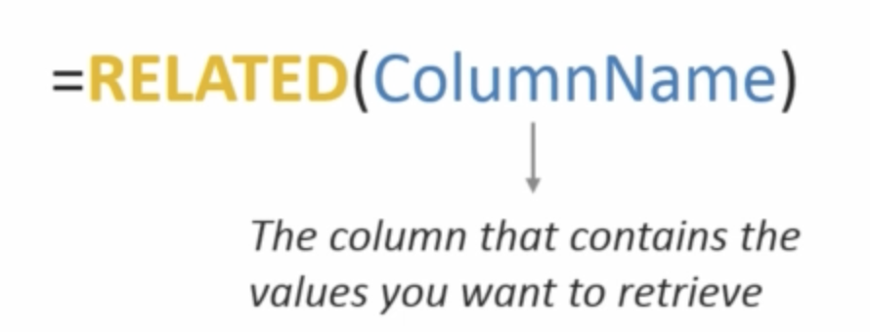

CALCULATE
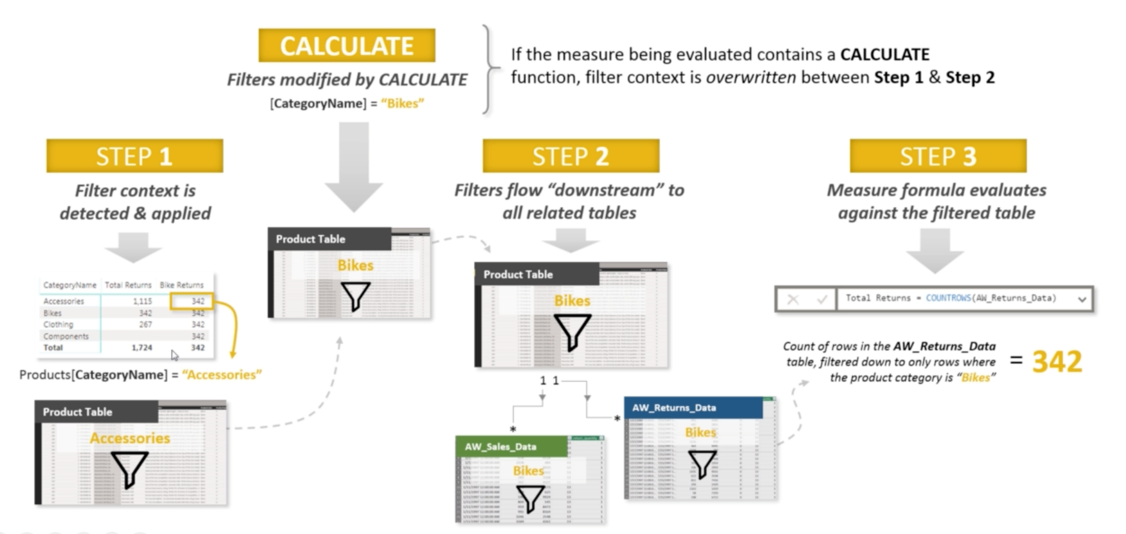

FILTER
